Command's Documentation
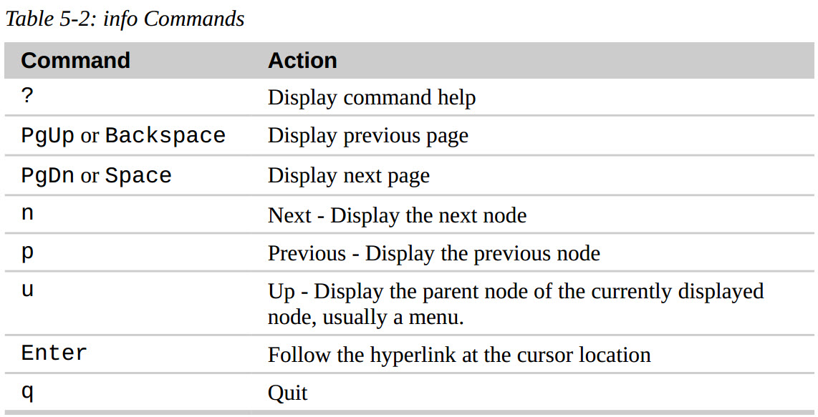
Getting A Command's Documentation

With this knowledge of what a command is, we can now search for the documentation
available for each kind of command.

help – Get Help For Shell Builtins

bash has a built-in help facility available for each of the shell builtins. To use it, type
“help” followed by the name of the shell builtin. For example:
 | [me@linuxbox ~]$ help cd
 | cd: cd [-L|[-P [-e]]] [dir]
 | Change the shell working directory.

--help – Display Usage Information
Many executable programs support a “--help” option that displays a description of the
command's supported syntax and options. For example:
 | [me@linuxbox ~]$ mkdir --help
 | Usage: mkdir [OPTION] DIRECTORY...
 | Create the DIRECTORY(ies), if they do not already exist.
 | -m, --mode=MODE set file mode (as in chmod), not a=rwx – umask
 | -p, --parents no error if existing, make parent directories as
 | needed
 | -v, --verbose print a message for each created directory

man – Display A Program's Manual Page
Most executable programs intended for command line use provide a formal piece of documentation called a manual or man page.
A special paging program called man is used to view them. It is used like this:
 | [me@linuxbox ~]$ man ls
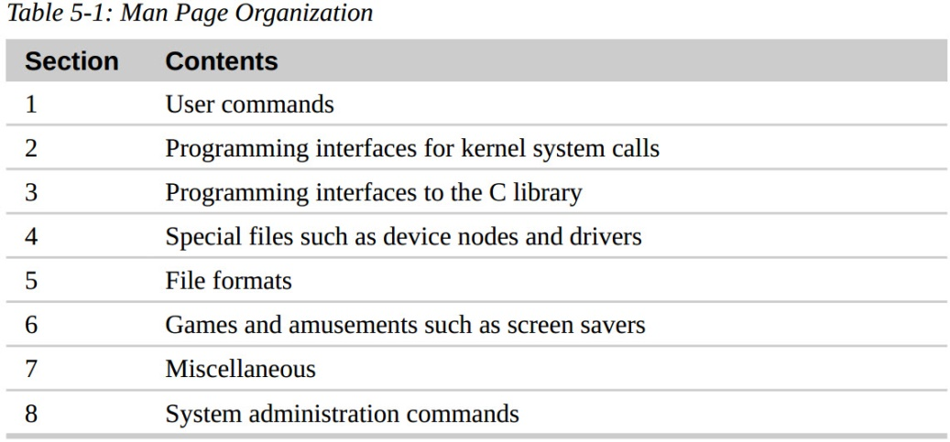
 | LS(1) User Commands LS(1)
 | NAME
 | ls - list directory contents
 | SYNOPSIS
 | ls [OPTION]... [FILE]...
 | DESCRIPTION
 | List information about the FILEs (the current directory by default). Sort entries alphabetically if none of -cftuvSUX nor --sort is specified.
 | Mandatory arguments to long options are mandatory for short options too.
 | -a, --all
 | do not ignore entries starting with .

**On most Linux systems, man uses less to display the manual page, so all of the familiar
less commands work while displaying the page.

**The “manual” that man displays is broken into sections and not only covers user commands
but also system administration commands, programming interfaces, file formats
and more. The table below describes the layout of the manual:

** Without specifying a section number, we will always get the first instance of
a match, probably in section 1. To specify a section number, we use man like this:
 | [me@linuxbox ~]$ man 5 passwd

whatis – Display A Very Brief Description Of A Command
The whatis program displays the name and a one line description of a man page matching a specified keyword:
 | [me@linuxbox ~]$ whatis ls
 | ls (1) - list directory contents
 | [root@dath dath]# whatis yum
 | yum (8) - Yellowdog Updater Modified

info – Display A Program's Info Entry
The GNU Project provides an alternative to man pages for their programs, called “info.”
Info pages are displayed with a reader program named, appropriately enough

**The info program reads info files, which are tree structured into individual nodes, each
containing a single topic. Info files contain hyperlinks that can move you from node to
node.
 | [root@dath dath]# info ls
 | File: coreutils.info, Node: ls invocation, Next: dir invocation, Up: Directory listing
 | 10.1 'ls': List directory contents

